Dashboard
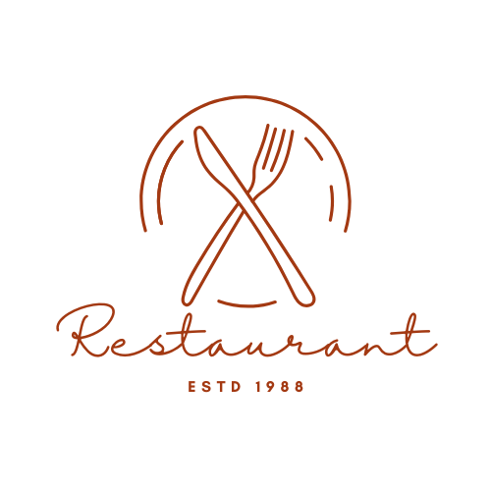
$3.818.905
$3.217.773
69.745
$54,76

ventas
costo
órdenes
ticket prom.

Ventas por producto
Top 15 productos más vendidos
 | Total
Soups | 40050
Salads | 48104
Ice Cream | 49368
Non-Alcoholic Drinks | 62702
Alcoholic Drinks | 65906
Appetizer Platters | 76311
Rice | 84076
Bread | 125816
Vegetables | 126590
Fruits | 135918
Puddings | 137772
Potatoes | 138411
Pies | 156030
Cakes | 191114
Poultry | 373729
Pasta | 475269
Vegan | 483580
Seafood | 497078
Meat Dishes | 551081
 | Total
Soda | 1125
Water | 1126
Wine | 1148
Juice | 1161
Iced Tea | 1162
Shrimp Cocktail | 1369
Seafood Skewers | 1383
Caesar Salad | 1451
Samosas | 1454
Garden Salad | 1464
Calamari Rings | 1465
Chicken Soup | 1474
Bruschetta | 1489
Tomato Soup | 1495
Spring Rolls | 1556

Ventas por mes
 | Total
Jan | 50493.2
Feb | 46136.16
Mar | 51052.41
Apr | 49607.34
May | 51402.54
Jun | 49140.57
Jul | 51263.84
Aug | 51352.5
Sep | 49335.57
Oct | 50860.92
Nov | 49471.87
Dec | 51014.62

